Vehicle PO Template
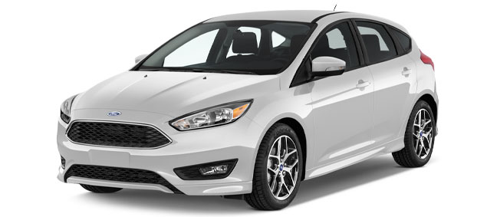 VEHICLE PURCHASE ORDER PO # 0000

 |  |  | COMPANY NAME
Purchaser Name

Address |  |  | Address

Phone |  |  | Sales Person

VEHICLE INFORMATION

Please enter my order for: | New Vehicle |  | Used Vehicle |  |  |  | Demo Vehicle

Make |  |  |  | Year

Model |  |  |  | Colour

Mileage |  |  |  | Fuel Type

Vehicle ID Number |  |  |  | Delivery Date

VEHICLE PRICE

VEHICLE AND ACCESSORIES |  |  |  |  |  | AMOUNT

FORD Focus 1.9TDI, 100 HP, 5 Doors |  |  |  |  |  | $0.00
Security System |  |  |  |  |  | $0.00
Car Cover |  |  |  |  |  | $0.00
Parking Sensors |  |  |  |  |  | $0.00
Multi Pin Car Charger |  |  |  |  |  | $0.00
Blind Spot Mirrors |  |  |  |  |  | $0.00

 | TOTAL: |  |  |  |  | $0.00
 | TAX: |  |  |  |  | $0.00
 | DEALER FEE: |  |  |  |  | $0.00
 | TOTAL SALE PRICE: |  |  |  |  | $0.00

 | TOTAL DOWN PAYMENT: |  |  |  |  | $0.00
 | BALANCE DUE: |  |  |  |  | $0.00

PURCHASER SIGNATURE |  | AUTHORIZED PERSON SIGNATURE |  |  | DATE
DOWN PAYMENT METHOD |  |  | MANUFACTURER NAME
A vehicle down payment receipt is a written record of the initial payment from a buyer to seller towards the purchase of a vehicle. While this purchase order has information regarding the down payment, the buyer is advised to keep down payment receipt at all times as a proof of payment.

IMPORTANT NOTES
Where the dealer arranges financing, the dealer may receive a portion of the finance charge from the vehicle manufacturer.

